Sheet1
 | Document No. | Issue No. | Issue Date |  |  | Review and Replace Date |  | Authorised By
 | GFF046MC | 2 | 28.09.2018 |  |  | 08.09.2020
 | Document Title | Butter Chicken 350g
 |  |  |  |  |  |  |  | Magda Shah
Document amendments reason for change | Black tray has been replaced by Evolve tray | Page 1 of 1 |  | Previous Issue Date |  |  | 28.09.2018 | Uncontrolled copy unless signed original

CCBU-R4TEB & CCBU-1R4TEB |  | BOOTHS |  |  | BUTTER CHICKEN 350g | CHILLED
STEP 1 |  |  |  | STEP 2
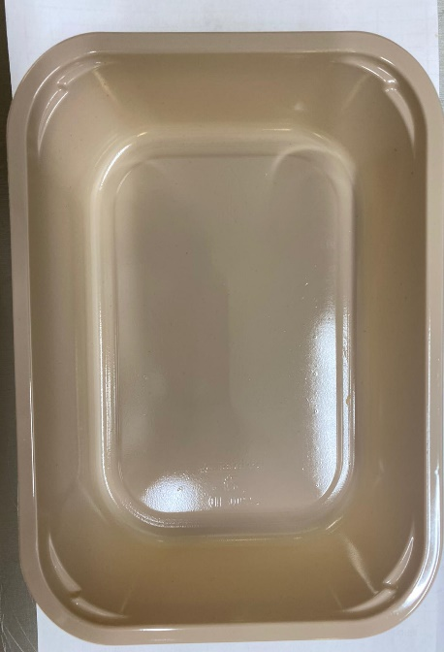 |  |  |  | 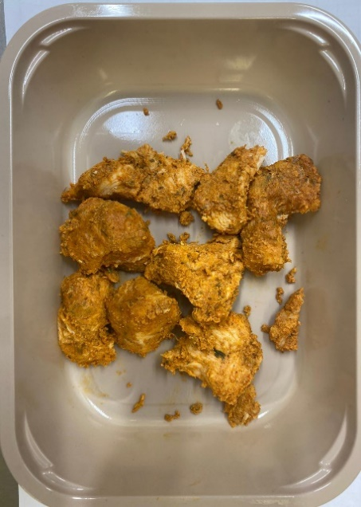

Tray: C 2200­1D Evolve CPET(PKRHP001-09) |  |  |  | British Chicken Tikka (GFF142R): 115g
Line 1: Mylar 250LAF 250mm x 1000 (PKWRA001-08)
Line 1: K-Peel 75G + AF 25 250mm (PKKMP001-01)
Line 2: Mylar 25OLAF - 380mm wide (PKWRA001-02) |  |  |  | 9 - 11 pieces
STEP 3
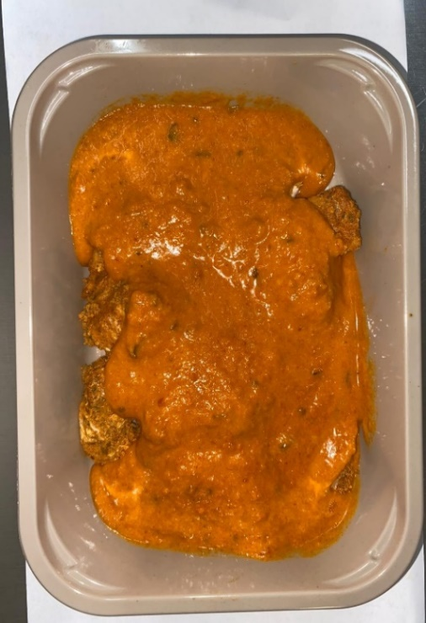

Butter Sauce (GFF134R) : 235g |  |  |  | TOTAL WEIGHT: 350G

ALLERGY ALERT: BARLEY, MILK

